Ransomware dashboard
 | Average of Desired level | Average of Actual level
Applications | 3 | 4.25
Data | 3 | 5
Devices | 3 | 4.6315789474
Network | 3 | 4.8125
People | 3 | 5
Third-party | 3 | 5
Users | 3 | 4.5555555556
 | Average of Desired level | Average of Actual level
Applications | 3 | 4.25
Data | 3 | 5
Devices | 3 | 4.6315789474
Network | 3 | 4.8125
People | 3 | 5
Third-party | 3 | 5
Users | 3 | 4.5555555556

Domain:
Inventory and Control of Enterprise Assets ICEA
Inventory and Control of Software Assets ICSA
Data Protection DP
Secure Configuration of Enterprise Assets and Software SCEAS
Account Management AM
Access Control Management ACM
Continuous Vulnerability Management CVM
Audit Log Management ALM
Email and Web Browser Protections EWBP
Malware Defenses MD
Data Recovery DR
Network Infrastructure Management NIM
Network Monitoring and Defense NMD
Security Awareness and Skills Training SAST
Service Provider Management SPM
Application Software Security ASS
Incident Response Management IRM
Penetration Testing PN
Maturity score:
Incomplete - 0
Initial - 1
Managed - 2
Defined - 3
Quantitative - 4
Optimizing - 5

Refresh charts
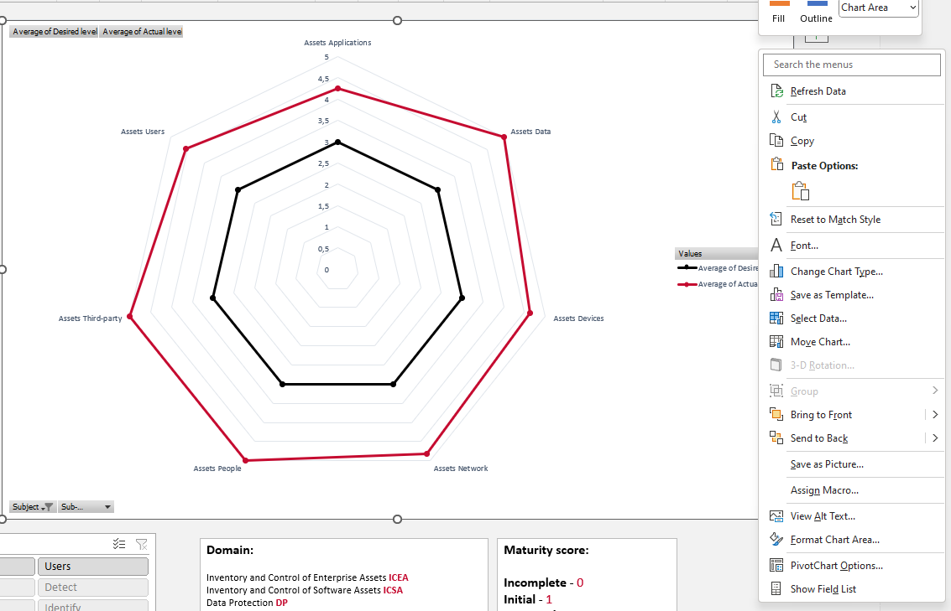
User guide:
Use the following guide to get the most out of the ransomware self assessment and dashboard:
Macro's enabled:
When you have enabled the macro's, you simply have to provide your input in the ransomware self assessment sheet and afterwards proceed to the ransomware dashboard. Once you are there, you only have to press the 'Click to Update Charts' button to generate the results from your self assessment.
Macro's disabled:
We understand if you do not want to enable the macro's behind this self assessment. The macro's in the self assessment serve one purpose and that is to provide a better and easier user experience by providing a button in the dashboard to automatically update the charts. In case you have disabled the macro's, please follow these steps once you are done filling in the self assessment:
1. Right click on one of the charts in the dashboard to open up a pop-up
User guide:
Use the following guide to get the most out of the ransomware self assessment and dashboard:
Please follow these steps once you are done filling in the self assessment:
1. Right click on one of the charts in the dashboard to open up a pop-up menu
2. Click on the 'refresh' button to update your charts
3. You are good to go!]
4. See screenshot for example

